LS SE Input Pulldown
Measurements
1 Meg pull-down
Connector voltage | 0.191 | V
Mux output | 0.191 | V
Op-amp non-inv input | n/a | not measured

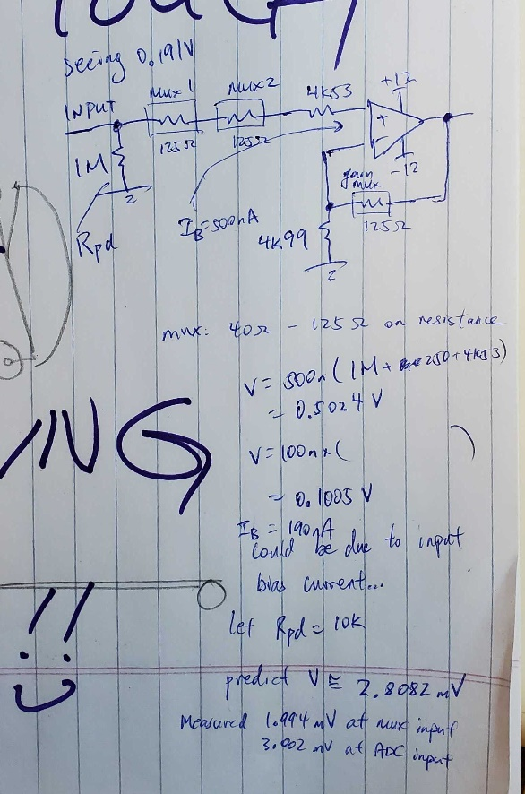
10K pull-down
Connector voltage | 1.994 | mV
Mux output | 1.994 | mV
Op-amp non-inv input | 2.905 | mV
ADC input | 3.032 | mV
Gain | 1.0437177281 | V/V

Cause: most likely due to op-amp input bias current

Parameter | Min | Nom | Max | Units
RC4580 input bias current | 10 | 100 | 500 | nA
2 x mux on-state resistance | 80 | 100 | 250 | Ohm
Non-inv input compensation resistor | 4525.47 | 4530 | 4534.53 | Ohm
Pull-down resistance on input | 990000 | 1000000 | 1010000 | Ohm
Voltage at non-inv input due to bias current | 9.9460547 | 100.463 | 507.392265 | mV

RC4580 input bias current | 10 | 100 | 500 | nA
2 x mux on-state resistance | 80 | 100 | 250 | Ohm
Non-inv input compensation resistor | 4525.47 | 4530 | 4534.53 | Ohm
Pull-down resistance on input | 9900 | 10000 | 10100 | Ohm
Voltage at non-inv input due to bias current | 0.1450547 | 1.463 | 7.442265 | mV

AA filter offset vs freq
Keeping AA filter as designed in schematic, no compensation resistors in feedback path

In+ is a sinusoid from signal generator
 | Input+ sinusoid (1Vpp) |  |  |  | Hardware output sinusoid
In-(DC) (V) | In+ offset (V) | In+ Freq (Hz) | In+ mean (oscope) (V) | Input Vpp (V) | Output mean (V) | Output freq (Hz) | Output Vpp (V) | Output / Input (V/V) | Output / Input (dB)
1.4989 | 2.00 | 10 | 1.99 | 1.02 | 0.52893 | 10 | 1.08 | 1.0588235294 | 0.4964716745
1.4991 | 2.00 | 20 | 2.01 | 1.02 | 0.5335 | 20 | 1.08 | 1.0588235294 | 0.4964716745
1.4991 | 2.00 | 50 | 2 | 1.02 | 0.5335 | 20 | 1.08 | 1.0588235294 | 0.4964716745
1.4991 | 2.00 | 100 | 2 | 1.02 | 0.52929 | 100 | 1.1 | 1.0784313725 | 0.65585026793
1.4991 | 2.00 | 200 | 2.01 | 1.02 | 0.53395 | 199.98 | 1.1 | 1.0784313725 | 0.65585026793
1.4991 | 2.00 | 500 | 2 | 1.06 | 0.5295 | 499.99 | 1.08 | 1.0188679245 | 0.16235780444
1.4991 | 2.00 | 1000 | 2.01 | 1.06 | 0.53255 | 1000 | 1.08 | 1.0188679245 | 0.16235780444
1.4991 | 2.00 | 2000 | 2.01 | 1.06 | 0.5323 | 2000 | 1.06 | 1 | 0
1.4991 | 2.00 | 5000 | 2.01 | 1.06 | 0.5323 | 5000 | 1.06 | 1 | 0
1.4991 | 2.00 | 10000 | 2.01 | 1.06 | 0.53202 | 10000 | 1.02 | 0.96226415094 | -0.33411387006 | noticeable phase shift occurring
1.4991 | 2.00 | 12000 | 2.01 | 1.06 | 0.5268 | 12000 | 1 | 0.94339622642 | -0.5061173053
1.4991 | 2.00 | 15000 | 2 | 1.06 | 0.5177 | 15000 | 0.96 | 0.90566037736 | -0.8606926445 | set to averaging 128 samples on acquisition at this point
1.4991 | 2.00 | 20000 | 2.01 | 1.06 | 0.53135 | 20000 | 0.88 | 0.83018867925 | -1.6164638623
1.4991 | 2.00 | 22000 | 2.01 | 1.06 | 0.53806 | 22000 | 0.84 | 0.79245283019 | -2.0205315841
1.4991 | 2.00 | 25000 | 1.99 | 1.06 | 0.5215 | 25000 | 0.84 | 0.79245283019 | -2.0205315841
1.4991 | 2.00 | 30000 | 1.98 | 1.06 | 0.51345 | 30000 | 0.68 | 0.64150943396 | -3.8559390512
1.4991 | 2.00 | 50000 | 1.99 | 1.08 | 0.5162 | 50000 | 0.32 | 0.2962962963 | -10.565475543
1.4991 | 2.00 | 75000 | 1.98 | 1.08 | 0.5314 | 75000 | 0.0688 | 0.063703703704 | -23.916706345
1.4991 | 2.00 | 100000 | 1.98 | 1.08 | 0.53082 | 100000 | 0.0168 | 0.015555555556 | -36.162289475
1.4991 | 2.00 | 150000 | 1.98 | 1.08 |  |  | 0.0026 | 0.0024074074074 | -52.36900815
1.4991 | 2.00 | 200000 | 1.98 | 1.08 |  |  | 0.0012 | 0.0011111111111 | -59.084850189 | looked like a flat line…oscilloscope doesn't go smaller than 5mV/div

